BS Equations
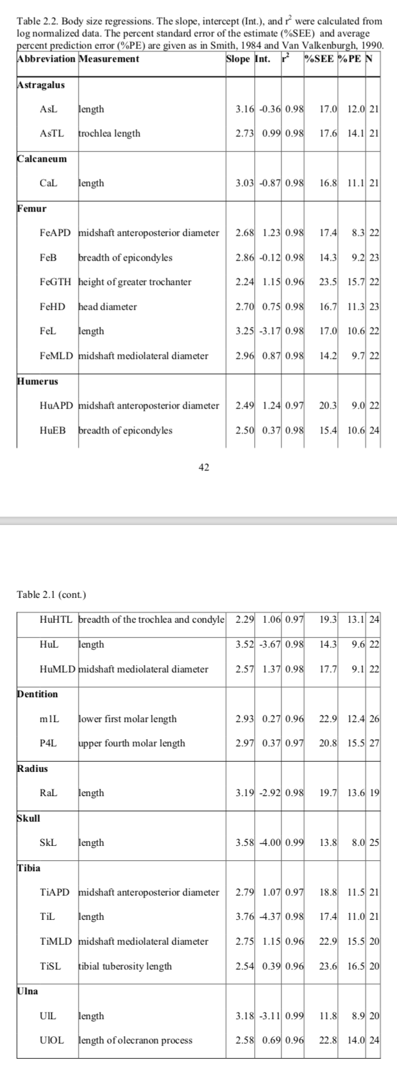
Taxxon/Clade

Sigmodon | W=4.05 M1^3.33 | W in grams, M1 Length | Martin 1990 BS book

From Pardi 2016 PhD:

